Metrics
 |  |  | Bug severity
Iteration | Total number of test cases | Total number of bugs | Low | Moderate | High | Check
1
2
3
4
5
6
7
8 |  | 46 | 27 | 19 | 0 | 0
9
10
11
12
13
14
15
16
17
18
19
20
21
22
23
24
25
26
27
28
29

Task Metrics
Iteration | Total number of deliverables | Deliverables completed | % |  | Coding/Debugging | UI | Testing | Wiki (constant at 3)
1 | 15 | 13 | 87% |  | 1 | 1 | 1 | 3
2 | 18 | 14 | 78% |  | 2 | 2 | 2 | 3
3 | 18 | 16 | 89% |  | 2 | 2 | 2 | 3
4 | 21 | 21 | 100% |  | 2 | 2 | 2 | 3
5 | 27 | 24 | 89% |  | 3 | 3 | 3 | 3
6 | 24 | 24 | 100% |  | 4 | 4 | 4 | 3
7 | 30 | 30 | 100% |  | 2 | 2 | 2 | 3
8 | 42 | 39 | 93% |  | 6 | 6 | 6 | 3
9 | 45 | 39 | 87% |  | 6 | 6 | 6 | 3
10 | 30 | 30 | 100% |  | 7 | 7 | 7 | 3
11 | 33 | 33 | 100% |  | 1 | 1 | 1 | 3
12 | 54 |  |  |  | 8 | 8 | 8 | 3
13 | 30 |  |  |  | 8 | 8 | 8 | 3
14 | 30 |  |  |  | 0 | 0 | 0 | 3
15 | 33 |  |  |  | 8 | 8 | 8 | 3
16 | 12 |  |  |  | 1 | 1 | 1 | 3
17 | 36 |  |  |  | 1 | 1 | 1 | 3
18 | 63 |  |  |  | 9 | 9 | 9 | 3
19 | 66 |  |  |  | 10 | 10 | 10 | 3
20 | 36 |  |  |  | 10 | 10 | 10 | 3
21 | 9 |  |  |  | 0 | 0 | 0 | 3
22 | 39 |  |  |  | 1 | 1 | 1 | 3
23 | 66 |  |  |  | 10 | 10 | 10 | 3
24 | 66 |  |  |  | 10 | 10 | 10 | 3
25 | 66 |  |  |  | 10 | 10 | 10 | 3
26 | 66 |  |  |  | 10 | 10 | 10 | 3
27 | 66 |  |  |  | 10 | 10 | 10 | 3
28 | 66 |  |  |  | 10 | 10 | 10 | 3
29 | 33 |  |  |  | 10 | 10 | 10 | 3

Screenshot
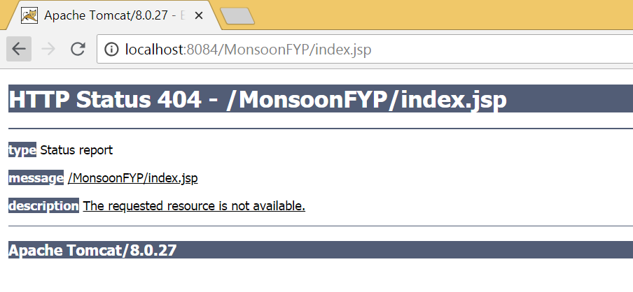
Screenshot for Test Case ID Memb 1, 2, 3, 4, 5, 7, 8:

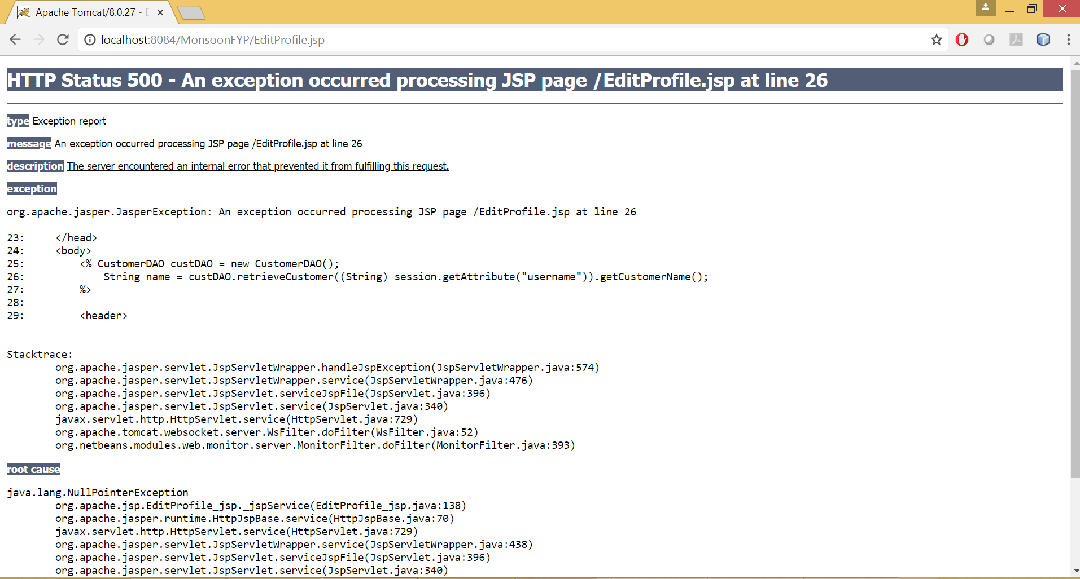

Screenshot for Test Case ID Memb 9, 11:

